chart
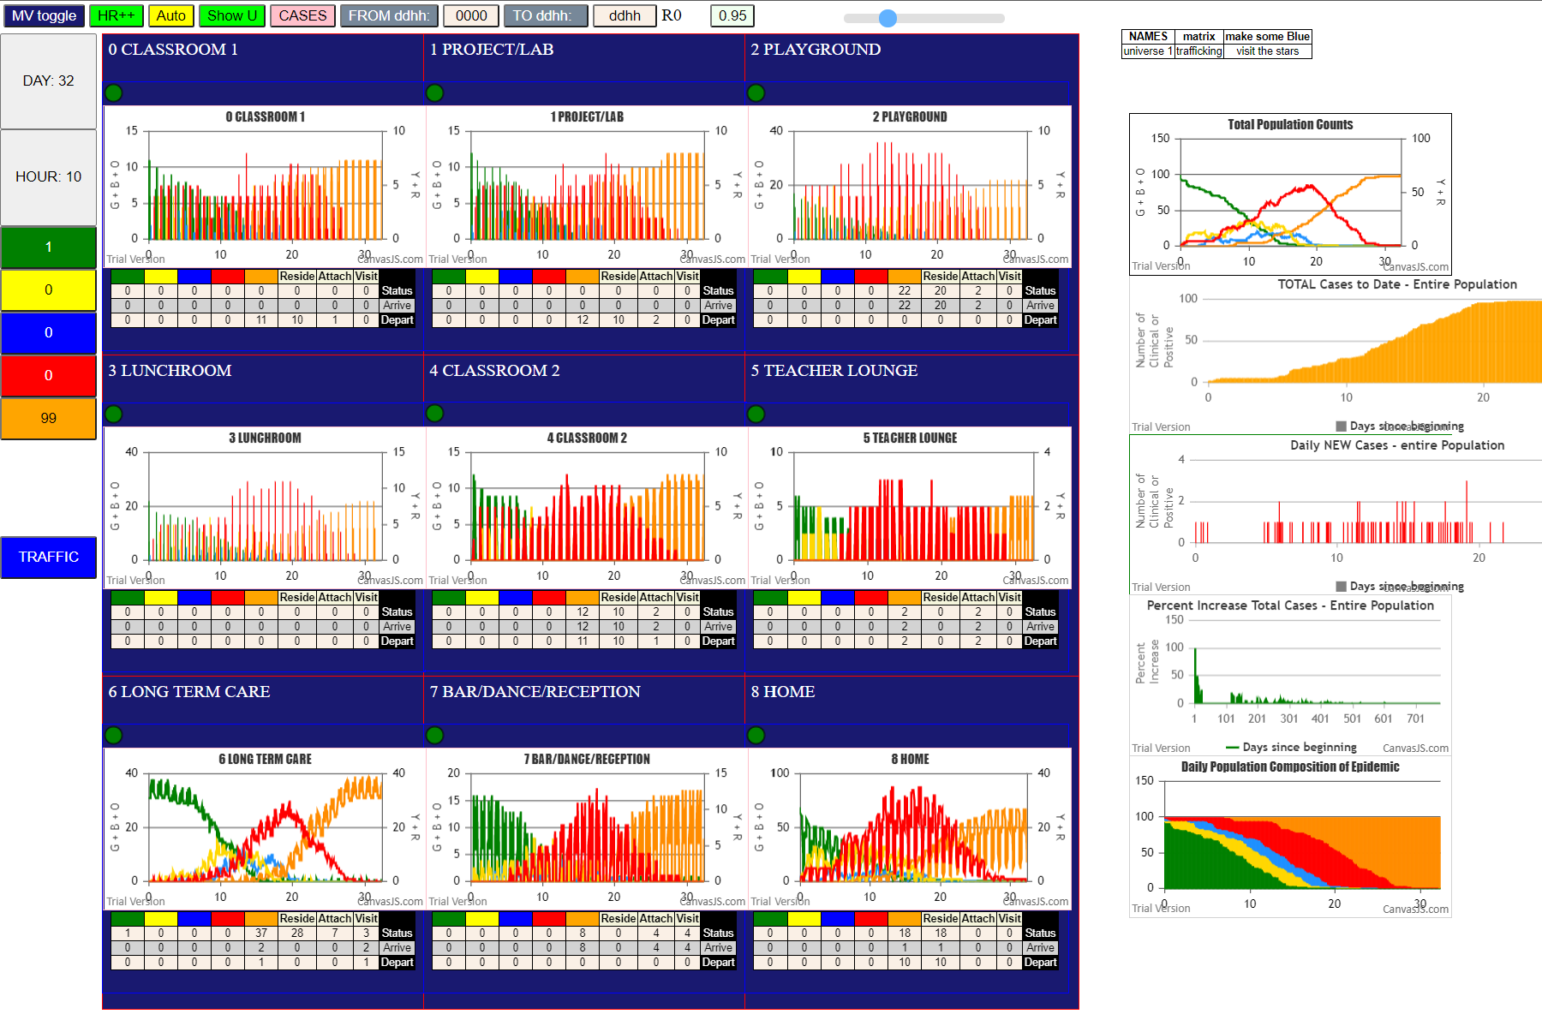

infBY
infBY | gen | Agent | @U
3 | 254 | 2 | 0 |  |  |  |  | 33
4 | 134 | 7 | 0 | 10 | 20.49.8 | 180.54.6 | 336.6.8 | 3
7 | 224 | 36 | 8 | 10 | 20.49.8 | 185.48.7 |  | 2
7 | 240 | 97 | 8 | 10 | 20.49.8 | 200.53.6 | 406.35.7 | 3
7 | 346 | 19 | 2 | 10 | 20.49.8 | 203.78.6 |  | 2
8 | 235 | 16 | 8 | 10 | 21.41.8 |  |  | 1 |  | Leafs | 15
8 | 266 | 98 | 8 | 10 | 21.22.8 |  |  | 1 |  | Av Depth | 2.2
8 | 346 | 0 | 2 | 10 | 30.31.8 | 138.58.6 |  | 2 |  | Gen | 406
10 | 20 | 49 | 8 | 10 | 30.31.8 | 186.88.6 | 324.73.6 | 3 |  | Nodes | 25
10 | 21 | 41 | 8 | 10 | 30.31.8 | 234.64.6 |  | 2 |  | New Inf | 24
10 | 21 | 22 | 8 | 10 | 30.31.8 | 234.65.6 |  | 2
10 | 30 | 31 | 8 | 10 | 66.85.6 | 156.72.6 | 316.60.6 | 3
10 | 66 | 85 | 6 | 10 | 66.85.6 | 167.83.6 | 334.69.6 | 3
10 | 109 | 17 | 0 | 10 | 66.85.6 | 167.82.6 | 275.67.6 | 3 |  | Q | ((Leafs/AvD)/gen)*newInf*100
11 | 1 | 92 | 8 | 10 | 66.85.6 | 298.81.6 |  | 2
11 | 23 | 23 | 8 | 10 | 109.17.0 |  |  | 1 |  | 40.304523063
11 | 77 | 50 | 8 | 1 | 6 | 12 | 6 | 2.2
11 | 106 | 15 | 2
12 | 5 | 43 | 8 |  |  |  |  |  | 59
12 | 26 | 42 | 8 | 11 | 1.92.8 | 84.93.7 | 180.55.7 | 281.21.6 | 4
12 | 87 | 18 | 0 | 11 | 1.92.8 | 84.93.7 | 180.55.7 | 303.75.6 | 4
12 | 91 | 87 | 6 | 11 | 1.92.8 | 84.93.7 | 180.55.7 | 329.80.6 | 4 | Leafs | 20
13 | 1 | 45 | 8 | 11 | 1.92.8 | 84.93.7 | 180.55.7 | 376.68.6 | 4 | Av Depth | 2.2
13 | 23 | 25 | 8 | 11 | 1.92.8 | 84.93.7 | 304.59.7 |  | 3 | Gen | 486
13 | 44 | 3 | 8 | 11 | 1.92.8 | 109.91.7 | 276.37.7 |  | 3 | Nodes | 32
13 | 48 | 44 | 8 | 11 | 1.92.8 | 157.56.7 | 242.38.8 |  | 3 | New Inf | 31
13 | 67 | 33 | 8 | 11 | 1.92.8 | 157.56.7 | 280.57.6 |  | 3
13 | 106 | 8 | 2 | 11 | 1.92.8 | 157.56.7 | 282.89.6 |  | 3
13 | 141 | 51 | 8 | 11 | 1.92.8 | 157.56.7 | 352.71.6 |  | 3
14 | 25 | 4 | 8 | 11 | 1.92.8 | 166.99.7 |  |  | 2 | Q | ((Leafs/AvD)/gen)*newInf*100
14 | 112 | 94 | 8 | 11 | 1.92.8 | 183.90.7 |  |  | 2
14 | 169 | 52 | 8 | 11 | 23.23.8 | 159.27.1 |  |  | 2 | 57.98728021
15 | 325 | 34 | 0 | 11 | 23.23.8 | 159.29.1 | 249.20.0 |  | 3
18 | 202 | 5 | 2 | 11 | 23.23.8 | 159.29.1 | 280.9.8 |  | 3
18 | 237 | 61 | 8 | 11 | 23.23.8 | 205.32.2 | 307.1.8 |  | 3
23 | 159 | 27 | 1 | 11 | 23.23.8 | 205.32.2 | 325.26.2 |  | 3
23 | 159 | 29 | 1 | 11 | 77.50.8 | 228.86.6 |  |  | 2
23 | 205 | 32 | 2 | 11 | 77.50.8 | 254.46.6 |  |  | 2
25 | 179 | 28 | 3 | 11 | 106.15.2 | 325.34.0 | 486.47.8 |  | 3
29 | 249 | 20 | 0 | 1 | 4 | 11 | 12 | 4 | 2.95
29 | 280 | 9 | 8
31 | 138 | 58 | 6 |  |  |  |  | 17 |  | Leafs | 9
31 | 186 | 88 | 6 | 12 | 5.43.8 |  |  | 1 |  | Av Depth | 1.9
31 | 234 | 64 | 6 | 12 | 26.42.8 |  |  | 1 |  | Gen | 345
31 | 234 | 65 | 6 | 12 | 87.18.6 | 202.5.2 |  | 2 |  | Nodes | 13
32 | 307 | 1 | 8 | 12 | 87.18.6 | 237.61.8 |  | 2 |  | New Inf | 12
32 | 325 | 26 | 2 | 12 | 91.87.6 | 204.74.6 | 345.77.6 | 3
33 | 160 | 30 | 5 | 12 | 91.87.6 | 214.63.6 |  | 2
33 | 233 | 96 | 7 | 12 | 91.87.6 | 225.66.6 |  | 2
34 | 486 | 47 | 8 | 12 | 91.87.6 | 226.79.6 |  | 2 |  | Q | ((Leafs/AvD)/gen)*newInf*100
49 | 180 | 54 | 6 | 12 | 91.87.6 | 246.62.6 |  | 2
49 | 185 | 48 | 7 | 1 | 4 | 7 | 1 | 1.8888888889 |  | 16.47597254
49 | 200 | 53 | 6
49 | 203 | 78 | 6 |  |  |  |  | 21
50 | 228 | 86 | 6 | 13 | 1.45.8 |  |  | 1 |  | Leafs | 11
50 | 254 | 46 | 6 | 13 | 23.25.8 | 179.28.3 |  | 2 |  | Av Depth | 1.91
51 | 248 | 76 | 6 | 13 | 44.3.8 | 254.2.0 |  | 2 |  | Gen | 346
51 | 299 | 84 | 6 | 13 | 48.44.8 |  |  | 1 |  | Nodes | 18
52 | 324 | 70 | 6 | 13 | 67.33.8 | 160.30.5 |  | 2 |  | New Inf | 17
53 | 406 | 35 | 7 | 13 | 67.33.8 | 233.96.7 | 331.95.7 | 3
54 | 336 | 6 | 8 | 13 | 106.8.2 | 235.16.8 |  | 2
55 | 281 | 21 | 6 | 13 | 106.8.2 | 266.98.8 |  | 2
55 | 303 | 75 | 6 | 13 | 106.8.2 | 346.0.2 |  | 2 |  | Q | ((Leafs/AvD)/gen)*newInf*100
55 | 329 | 80 | 6 | 13 | 141.51.8 | 248.76.6 |  | 2
55 | 376 | 68 | 6 | 13 | 141.51.8 | 299.84.6 |  | 2 |  | 28.296462186
56 | 242 | 38 | 8 | 1 | 7 | 9 | 1 | 1.9090909091
56 | 280 | 57 | 6
56 | 282 | 89 | 6 |  |  |  |  | 13 |  | Leafs | 5
56 | 352 | 71 | 6 | 14 | 25.4.8 | 134.7.0 | 224.36.8 | 3 |  | Av Depth | 2.6
72 | 316 | 60 | 6 | 14 | 25.4.8 | 134.7.0 | 240.97.8 | 3 |  | Gen | 346
74 | 345 | 77 | 6 | 14 | 25.4.8 | 134.7.0 | 346.19.2 | 3 |  | Nodes | 10
82 | 275 | 67 | 6 | 14 | 112.94.8 | 306.39.7 |  | 2 |  | New Inf | 9
83 | 334 | 69 | 6 | 14 | 169.52.8 | 324.70.6 |  | 2
85 | 156 | 72 | 6 | 1 | 3 | 3 | 3 | 2.6
85 | 167 | 83 | 6
85 | 167 | 82 | 6 |  |  |  |  |  |  | Q | ((Leafs/AvD)/gen)*newInf*100
85 | 298 | 81 | 6
87 | 204 | 74 | 6 |  |  |  |  |  |  | 5.0022232103
87 | 214 | 63 | 6
87 | 225 | 66 | 6 | COMBINE THE TREES
87 | 226 | 79 | 6 |  |  |  |  |  |  | Leafs | 60
87 | 246 | 62 | 6 | Av depth = average of sums + 1 |  |  |  |  |  | Av Depth | 3.38
88 | 324 | 73 | 6 | Total path depths = |  | 143 |  |  |  | Gen | 486
91 | 276 | 37 | 7 | Total Leaves (paths) |  | 60 |  |  |  | Nodes | 10
92 | 84 | 93 | 7 |  |  |  |  |  |  | New Inf | 93
92 | 109 | 91 | 7 | Av |  | 3.3833333333
92 | 157 | 56 | 7 | newinf |  | 93
92 | 166 | 99 | 7
92 | 183 | 90 | 7 |  |  |  |  |  |  | Q | ((Leafs/AvD)/gen)*newInf*100
93 | 180 | 55 | 7
93 | 195 | 24 | 8 |  |  |  |  |  |  | 339.68880123
93 | 304 | 59 | 7
94 | 306 | 39 | 7
96 | 331 | 95 | 7

 |  |  |  |  |  |  |  |  |  |  | OutOfBox | HOME Wt
 |  |  |  |  |  |  |  |  |  | Root 10 | 18.97 | 40.3
 |  |  |  |  |  |  |  |  |  | Root 11 | 16.64 | 58
 |  |  |  |  |  |  |  |  |  | Root 12 | 28.1 | 16.5
 |  |  |  |  |  |  |  |  |  | Root 13 | 0.67 | 28.3
 |  |  |  |  |  |  |  |  |  | Root 14 | 2.69 | 5
 |  |  |  |  |  |  |  |  |  | TREE | 159.64 | 339.69
 |  |  |  |  |  |  |  |  |  | Total Gen | 683 | 486

U0
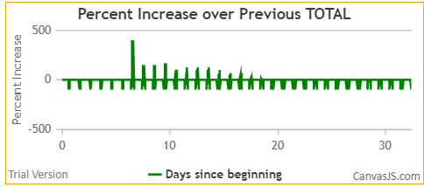
Agent | F1 | infBY | F2 | gen | @U
18 | F17 | 12 | F04 | 87 | 0 | theta-1 | 87 | high theta values are slow transmission times
17 | F16 | 10 | F02 | 109 | 0 | theta-2 | 55
7 | F10 | 4 | F07 | 134 | 0 | theta-3 | 45
20 | F00 | 29 | F17 | 249 | 0 | theta-4 | 63
2 | F00 | 3 | F06 | 254 | 0 | theta-5 | 51
34 | F15 | 15 | F07 | 325 | 0 | theta-6 | 64

U1
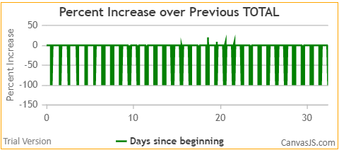
Agent | F1 | infBY | F2 | gen | @U
27 | F09 | 23 | F03 | 159 | 1 | theta-1 | 159
29 | F17 | 23 | F03 | 159 | 1 | theta-2 | 70

U2
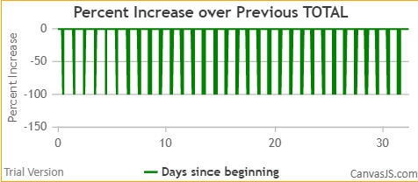
Agent | F1 | infBY | F2 | gen | @U
15 | F07 | 11 | F03 | 106 | 2 | theta-1 | 106
8 | F16 | 13 | F06 | 106 | 2 | theta-2 | 53
5 | F08 | 18 | F17 | 202 | 2 | theta-3 | 67
32 | F05 | 23 | F03 | 205 | 2 | theta-4 | 51
26 | F08 | 32 | F05 | 325 | 2 | theta-5 | 65
19 | F18 | 7 | F10 | 346 | 2 | theta-6 | 58
0 | -1 | 8 | F16 | 346 | 2 | theta-7 | 50

U3
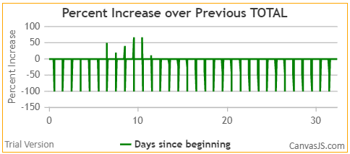
Agent | F1 | infBY | F2 | gen | @U
28 | F10 | 25 | F06 | 179 | 3 | theta-1 | 179

U4
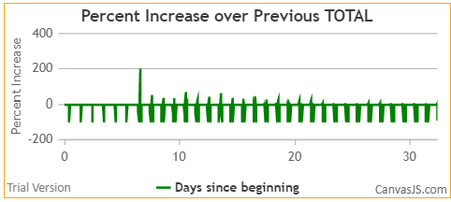
no infections in U4

U5
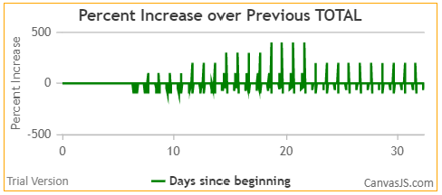
Agent | F1 | infBY | F2 | gen | @U
30 | F01 | 33 | F06 | 160 | 5 | theta-1 | 160

U6
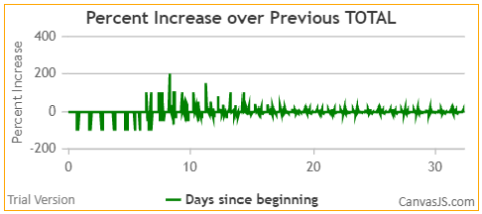
Agent | F1 | infBY | F2 | gen | @U
85 | -1 | 10 | F02 | 66 | 6 | theta-1 | 66
87 | -1 | 12 | F04 | 91 | 6 | theta-2 | 46
58 | F14 | 31 | F02 | 138 | 6 | theta-3 | 46
72 | -1 | 85 | -1 | 156 | 6 | theta-4 | 44
83 | -1 | 85 | -1 | 167 | 6 | theta-5 | 37
82 | -1 | 85 | -1 | 167 | 6 | theta-6 | 26
54 | F09 | 49 | F02 | 180 | 6
88 | -1 | 31 | F02 | 186 | 6
53 | F08 | 49 | F02 | 200 | 6 | there are 35 transmissions in U6
78 | -1 | 49 | F02 | 203 | 6 |  |  |  | theta
74 | -1 | 87 | -1 | 204 | 6 | 10% | 4 | 156 | 39.0
63 | F02 | 87 | -1 | 214 | 6 | 20% | 7 | 180 | 25.7
66 | F06 | 87 | -1 | 225 | 6 | 30% | 11 | 204 | 18.5
79 | -1 | 87 | -1 | 226 | 6 | 40% | 14 | 225 | 16.1
86 | -1 | 50 | F03 | 228 | 6
64 | F03 | 31 | F02 | 234 | 6
65 | F03 | 31 | F02 | 234 | 6
62 | F01 | 87 | -1 | 246 | 6
76 | -1 | 51 | F06 | 248 | 6
46 | F10 | 50 | F03 | 254 | 6
67 | F13 | 82 | -1 | 275 | 6
57 | F13 | 56 | F12 | 280 | 6
21 | F01 | 55 | F11 | 281 | 6
89 | -1 | 56 | F12 | 282 | 6
81 | -1 | 85 | -1 | 298 | 6
84 | -1 | 51 | F06 | 299 | 6
75 | -1 | 55 | F11 | 303 | 6
60 | F16 | 72 | -1 | 316 | 6
70 | F15 | 52 | F07 | 324 | 6
73 | -1 | 88 | -1 | 324 | 6
80 | -1 | 55 | F11 | 329 | 6
69 | F14 | 83 | -1 | 334 | 6
77 | -1 | 74 | -1 | 345 | 6
71 | F18 | 56 | F12 | 352 | 6
68 | F14 | 55 | F11 | 376 | 6

U7
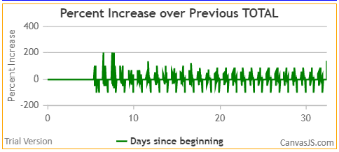
Agent | F1 | infBY | F2 | gen | @U
93 | F05 | 92 | F03 | 84 | 7
91 | F01 | 92 | F03 | 109 | 7 | 13 transmissions |  | theta
56 | F12 | 92 | F03 | 157 | 7 | 1 | 84 | 84.0
99 | F17 | 92 | F03 | 166 | 7 | 2 | 109 | 54.5
55 | F11 | 93 | F05 | 180 | 7 | 3 | 157 | 52.3
90 | F00 | 92 | F03 | 183 | 7 | 4 | 166 | 41.5
48 | F00 | 49 | F02 | 185 | 7 | 5 | 180 | 36.0
96 | F09 | 33 | F06 | 233 | 7 | 6 | 183 | 30.5
37 | F11 | 91 | F01 | 276 | 7 | 7 | 185 | 26.4
59 | F15 | 93 | F05 | 304 | 7 | 8 | 233 | 29.1
39 | F13 | 94 | F07 | 306 | 7 | 9 | 276 | 30.7
95 | F08 | 96 | F09 | 331 | 7 | 10 | 304 | 30.4
35 | F18 | 53 | F08 | 406 | 7

U8
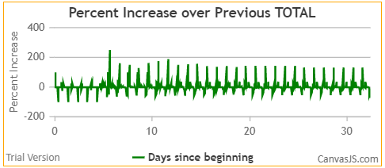
Agent | F1 | infBY | F2 | gen | @U
92 | F03 | 11 | F03 | 1 | 8 | 1 |  | no. | gen | theta
45 | F06 | 13 | F06 | 1 | 8 | 2 | 10% | 3 | 5 | 1.7
43 | F04 | 12 | F04 | 5 | 8 | 3 | 20% | 6 | 21 | 3.5
49 | F02 | 10 | F02 | 20 | 8 | 4 | 30% | 9 | 25 | 2.8
41 | F02 | 10 | F02 | 21 | 8 | 5 | 40% | 12 | 44 | 3.7
22 | F02 | 10 | F02 | 21 | 8 | 6 | 50% | 15 | 77 | 5.1
23 | F03 | 11 | F03 | 23 | 8 | 7 | 60% | 18 | 169 | 9.4
25 | F06 | 13 | F06 | 23 | 8 | 8 | 70% | 21 | 235 | 11.2
4 | F07 | 14 | F07 | 25 | 8 | 9
42 | F04 | 12 | F04 | 26 | 8 | 10
31 | F02 | 10 | F02 | 30 | 8 | 11
3 | F06 | 13 | F06 | 44 | 8 | 12
44 | F06 | 13 | F06 | 48 | 8 | 13
33 | F06 | 13 | F06 | 67 | 8 | 14
50 | F03 | 11 | F03 | 77 | 8 | 15
94 | F07 | 14 | F07 | 112 | 8 | 16
51 | F06 | 13 | F06 | 141 | 8 | 17
52 | F07 | 14 | F07 | 169 | 8 | 18
24 | F05 | 93 | F05 | 195 | 8 | 19
36 | F10 | 7 | F10 | 224 | 8 | 20
16 | F16 | 8 | F16 | 235 | 8 | 21
61 | F17 | 18 | F17 | 237 | 8 | 22
97 | F10 | 7 | F10 | 240 | 8 | 23
38 | F12 | 56 | F12 | 242 | 8 | 24
98 | F16 | 8 | F16 | 266 | 8 | 25
9 | F17 | 29 | F17 | 280 | 8 | 26
1 | F05 | 32 | F05 | 307 | 8 | 27
6 | F09 | 54 | F09 | 336 | 8 | 28
47 | F15 | 34 | F15 | 486 | 8 | 29

